Wind
Data from NREL RE Futures 90% RE-ETI Scenario

Installed Capacity (MW)
 | 2010 | 2012 | 2014 | 2016 | 2018 | 2020 | 2022 | 2024 | 2026 | 2028 | 2030 | 2032 | 2034 | 2036 | 2038 | 2040 | 2042 | 2044 | 2046 | 2048 | 2050
Onshore Wind | 39209 | 77931 | 118765 | 150995 | 180996 | 215901 | 235730 | 268827 | 286193 | 296965 | 305229 | 309059 | 313765 | 320693 | 325239 | 330717 | 335551 | 338161 | 342533 | 348010 | 352547

Installed Capacity, Curve Fit (MW)
 | 2010 | 2011 | 2012 | 2013 | 2014 | 2015 | 2016 | 2017 | 2018 | 2019 | 2020 | 2021 | 2022 | 2023 | 2024 | 2025 | 2026 | 2027 | 2028 | 2029 | 2030 | 2031 | 2032 | 2033 | 2034 | 2035 | 2036 | 2037 | 2038 | 2039 | 2040 | 2041 | 2042 | 2043 | 2044 | 2045 | 2046 | 2047 | 2048 | 2049 | 2050
Onshore Wind | 31998 | 56219 | 79044 | 100517 | 120684 | 139588 | 157275 | 173788 | 189173 | 203473 | 216733 | 228998 | 240313 | 250720 | 260266 | 268995 | 276951 | 284178 | 290722 | 296626 | 301935 | 306694 | 310946 | 314738 | 318112 | 321115 | 323789 | 326180 | 328331 | 330289 | 332096 | 333798 | 335439 | 337064 | 338716 | 340441 | 342283 | 344287 | 346496 | 348956 | 351711
Using many decimals in the Onshore Wind formula is important, particularly for the coefficients on the higher-order terms, because even very slight differences in these coefficients can lead to dramatically different results.

Installed Capacity, Curve Fit (MW)
 | 2010 | 2011 | 2012 | 2013 | 2014 | 2015 | 2016 | 2017 | 2018 | 2019 | 2020 | 2021 | 2022 | 2023 | 2024 | 2025 | 2026 | 2027 | 2028 | 2029 | 2030 | 2031 | 2032 | 2033 | 2034 | 2035 | 2036 | 2037 | 2038 | 2039 | 2040 | 2041 | 2042 | 2043 | 2044 | 2045 | 2046 | 2047 | 2048 | 2049 | 2050
Annual Additions | 0 | 24221 | 22825 | 21474 | 20167 | 18904 | 17687 | 16513 | 15385 | 14300 | 13260 | 12265 | 11314 | 10408 | 9546 | 8729 | 7956 | 7227 | 6543 | 5904 | 5309 | 4759 | 4253 | 3791 | 3375 | 3002 | 2674 | 2391 | 2152 | 1957 | 1807 | 1702 | 1641 | 1625 | 1653 | 1725 | 1842 | 2004 | 2210 | 2460 | 2755
Using many decimals in the Onshore Wind formula is important, particularly for the coefficients on the higher-order terms, because even very slight differences in these coefficients can lead to dramatically different results.

Solar PV
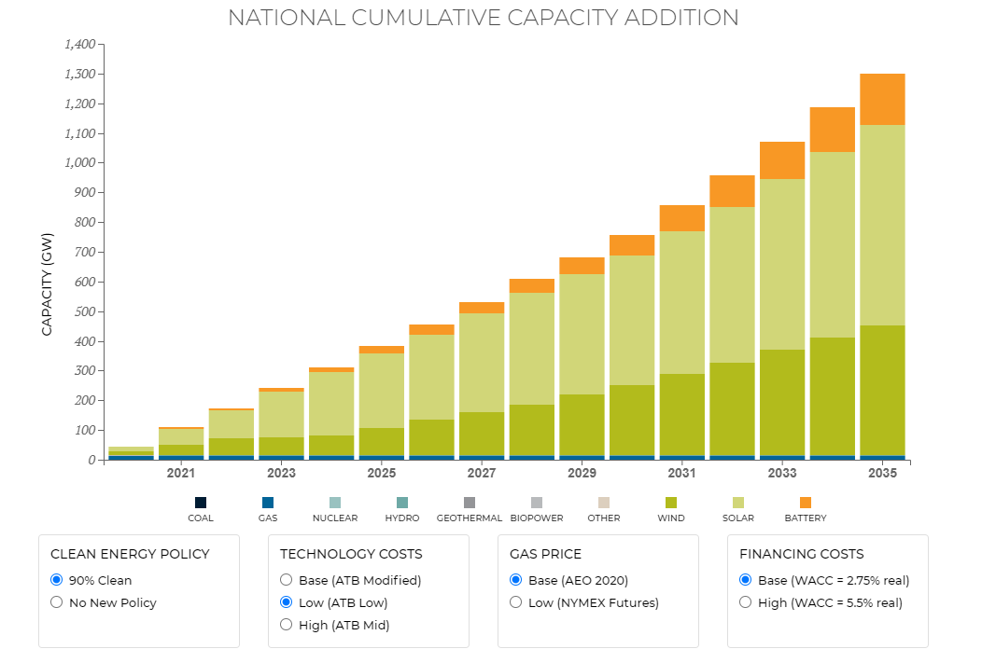
DOE SunShot Scenario Used for Short Term
 | Distributed PV (GW) | Utility PV (GW) | Total PV (GW) | Next 5-Year Period Added Utility PV (GW) | Annual Incremental Utility PV over Next 5-Year Period (GW)
2010 | 1 | 0 | 1 | 5 | 1
2015 | 4 | 5 | 9 | 26 | 5.2
2020 | 19 | 31 | 50 | 75 | 15
2025 | 63 | 106 | 169

 | Total solar (pixels) | Total solar (GW) | Annual Additions
2020 | 4 | 12.5
2021 | 16 | 50 | 37.5
2022 | 30 | 93.75 | 43.75
2023 | 49 | 153.125 | 59.375
2024 | 67 | 209.375 | 56.25
2025 | 80 | 250 | 40.625
2026 | 91 | 284.375 | 34.375
2027 | 106 | 331.25 | 46.875
2028 | 121 | 378.125 | 46.875
2029 | 131 | 409.375 | 31.25
2030 | 139 | 434.375 | 25
2031 | 154 | 481.25 | 46.875
2032 | 167 | 521.875 | 40.625
2033 | 185 | 578.125 | 56.25
2034 | 199 | 621.875 | 43.75
2035 | 215 | 671.875 | 50

https://www.eia.gov/electricity/annual/archive/03482002.pdf

 |  |  |  | 84.375

